Exercise 1
Input all the conditional formatting rules to obtain the same results than in the image on the right.
Accomplish the conditions proposed on the bottom left
 | Candidate ID | Area | Gender | Age | Result
 | 980748 | North | M | 24 | 87.0%
 | 379829 | South-East | M | 32 | 55.0%
 | 838293 | Midlands | M | 35 | 98.0%
 | 384953 | Midlands | F | 27 | 93.0%
 | 234242 | North | F | 33 | 78.0%
 | 234625 | South-West | M | 28 | 77.0%
 | 546175 | South-East | F | 35 | 73.0%
 | 185675 | Scotland | F | 35 | 55.0%
 | 456546 | North | M | 42 | 73.0%
 | 465464 | South-East | M | 27 | 69.0%
 | 745644 | South-East | F | 26 | 38.0%
 | 641645 | Scotland | F | 29 | 97.0%
 | 727654 | Midlands | F | 33 | 89.0%
 | 345634 | North | F | 30 | 77.0%
 | 457465 | North | M | 45 | 58.0%
 | 115465 | South-West | M | 31 | 61.0%
 | 345464 | South-East | F | 30 | 67.0%
 | 896667 | South-East | F | 27 | 58.0%
 | 654745 | Scotland | M | 27 | 99.0%
 | 568545 | Midlands | M | 29 | 92.0%
 | 667563 | Midlands | F | 31 | 48.0%
 | 346366 | Scotland | F | 33 | 53.0%
 | 643456 | South-West | F | 42 | 86.0%

Conditional formats in cols | Cand ID < 300000 | Southern candidates | Female Candidates | Mature cand > 40 and data bars | Top 5%

Exercise 2
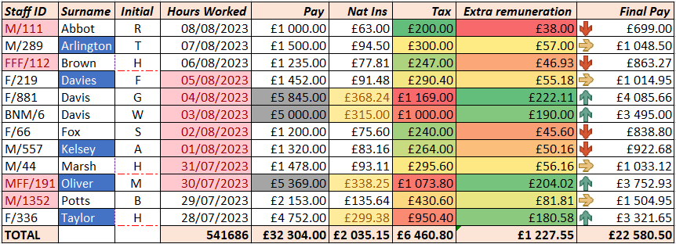
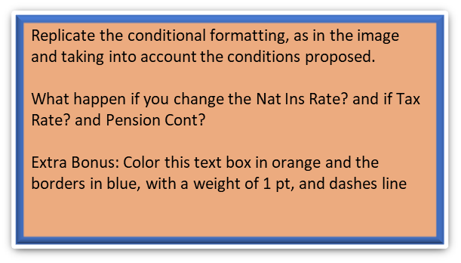
 | Staff ID | Surname | Initial | Hours Worked | Pay | Nat Ins | Tax | Extra remuneration | Final Pay | Hourly Pay Rate | 9.87 | £169.60
 | M/111 | Abbot | R | 2025-06-10 | £1,000.00 | £63.00 | £200.00 | £38.00 | £699.00 | Nat Ins Rate | 6%
 | M/289 | Arlington | T | 2025-06-09 | £1,500.00 | £94.50 | £300.00 | £57.00 | £1,048.50 | Tax Rate | 20%
 | FFF/112 | Brown | H | 2025-06-08 | £1,235.00 | £77.81 | £247.00 | £46.93 | £863.27 | Pension Cont | 3.8%
 | F/219 | Davies | F | 2025-06-07 | £1,452.00 | £91.48 | £290.40 | £55.18 | £1,014.95
 | F/881 | Davis | G | 2025-06-06 | £5,845.00 | £368.24 | £1,169.00 | £222.11 | £4,085.65
Replicate the conditional formatting, as in the image and taking into account the conditions proposed.
What happen if you change the Nat Ins Rate? and if Tax Rate? and Pension Cont?
Extra Bonus: Color this text box in orange and the borders in blue, with a weight of 1 pt, and dashes line. As in the image below
 | BNM/6 | Davis | W | 2025-06-05 | £5,000.00 | £315.00 | £1,000.00 | £190.00 | £3,495.00
 | F/66 | Fox | S | 2025-06-04 | £1,200.00 | £75.60 | £240.00 | £45.60 | £838.80
 | M/557 | Kelsey | A | 2025-06-03 | £1,320.00 | £83.16 | £264.00 | £50.16 | £922.68
 | M/44 | Marsh | H | 2025-06-02 | £1,478.00 | £93.11 | £295.60 | £56.16 | £1,033.12
 | MFF/191 | Oliver | M | 2025-06-01 | £5,369.00 | £338.25 | £1,073.80 | £204.02 | £3,752.93
 | M/1352 | Potts | B | 2025-05-31 | £2,153.00 | £135.64 | £430.60 | £81.81 | £1,504.95
 | F/336 | Taylor | H | 2025-05-30 | £4,752.00 | £299.38 | £950.40 | £180.58 | £3,321.65
 | TOTAL |  |  | 549750 | £32,304.00 | £2,035.15 | £6,460.80 | £1,227.55 | £22,580.50

Cond formats in cols: | Symbol after "/" equal to 1 | Lenght > 5 | H | last week | Top 25% | >average | color scales: bigger is bad | Color scales: bigger is good | icom set: >2000;>1000;<1000

